D'signer
Name | General Meaning | Models which Fall In This Collection
 |  | Model .1 | Model .2 | Model .3 | Model .4 | Model .5 | Model .6 | Model .7 | Model .8
Grandeur | Splendor and impressiveness, especially of appearance or style. | 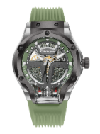 950 | 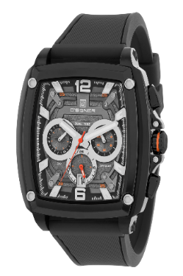 840 | 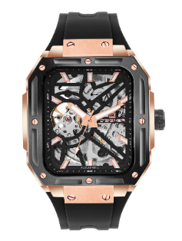 830 | 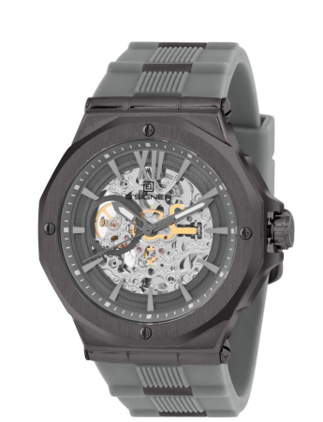 824 | 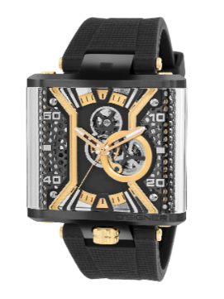 915
Eternal | Lasting or existing forever; without end. | 901L
Serene | Calm, peaceful, and untroubled. | 812 | 855 | 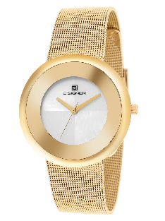 670
Tactix | A play on "tactics," implying strategy and utility. | 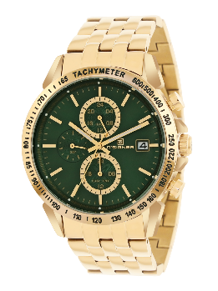 200 | 795 | 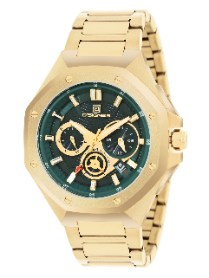 804 | 865
Bolt | A flash of lightning or a sudden, fast movement. | 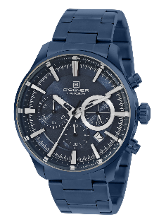 748 | 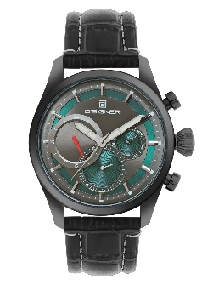 680
Pulse | A rhythmical throbbing; the heartbeat of a system. | 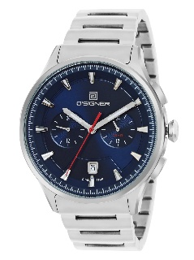 811 | 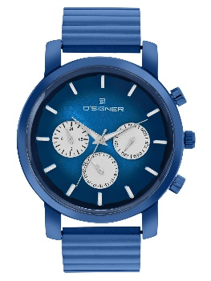 823 | 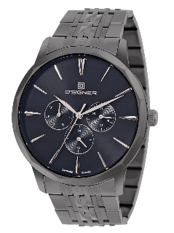 869 | 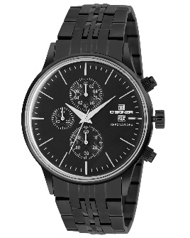 778 | 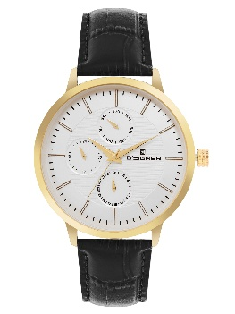 792
Vortex | A mass of whirling fluid or air. | 837 | 845 | 960 | 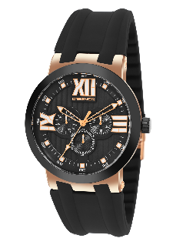 450 | 851
Glimmer | A faint or wavering light. | 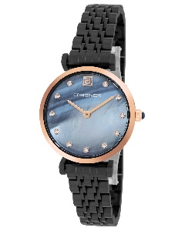 828 | 819 | 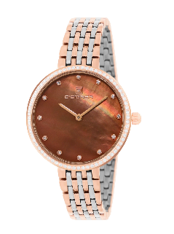 852 | 860 |  828
Ignite | To catch fire or cause to burn. | 841 | 854
Tidemark | The mark left by the highest point of a tide. | 808 | 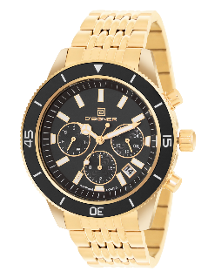 876
Hallmark | A mark on an object indicating quality or purity. |  | 862 | 912 | 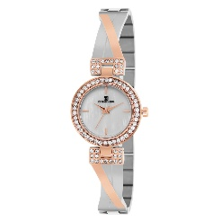 777
Echo | A sound caused by the reflection of sound waves. | 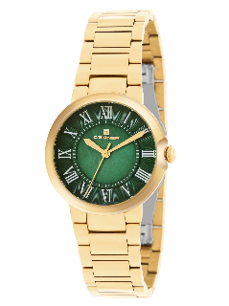 905 | 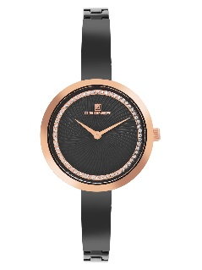 807 | 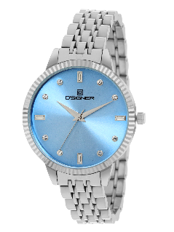 853
Quest | A long or arduous search for something. | 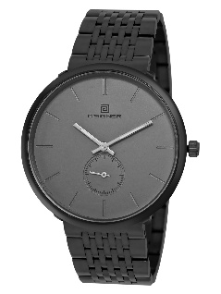 802 | 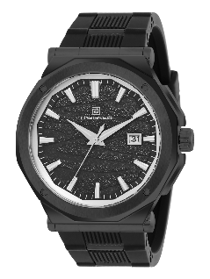 806 | 827 | 836
Duetto | Italian for "duet," involving two parts. | 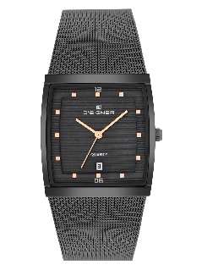 856 |  521
Astral | Relating to the stars. | 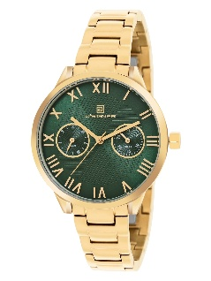 810 | 726
Daymark | A daytime navigational aid for sailors. |  809 | 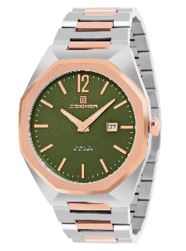 826 | 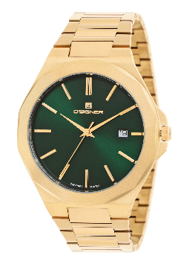 843 | 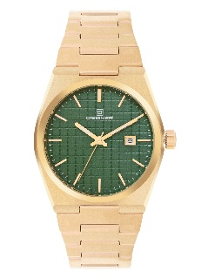 867 | 821 | 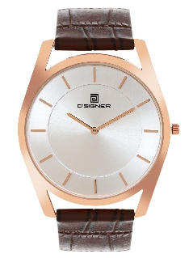 753G | 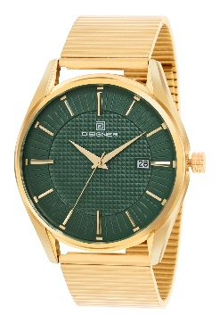 821 | 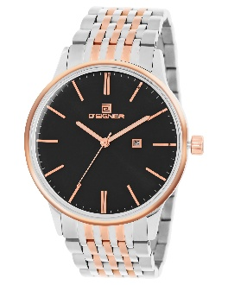 829
Axion | A hypothetical elementary particle. | 814
Matrix | An environment in which something develops; a grid. | 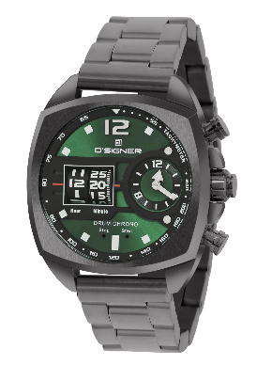 916
Spectre | A ghost or something widely feared. | 825
Oasis | A fertile spot in a desert where water is found. | 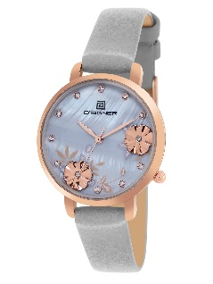 800
Breeze | A gentle wind. |  788 | 794
Mist | A cloud of tiny water droplets. | 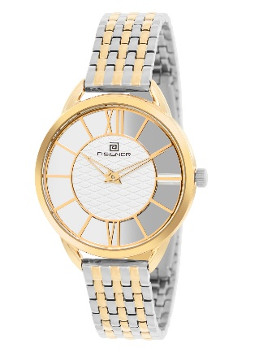 834 | 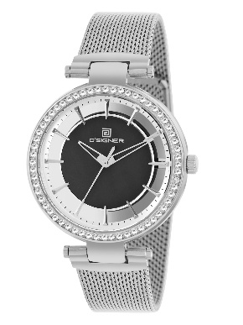 835
Bondline | The layer of adhesive joining two surfaces. | 820G(gents) & 850L (ladies)
Pinnacle | The most successful point; the culmination. | 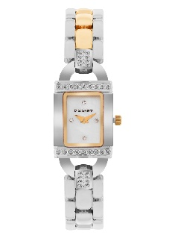 234 | 181 | 314 | 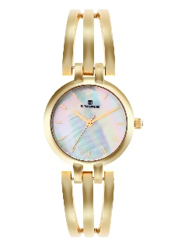 724 | 578

